AUC and ROC
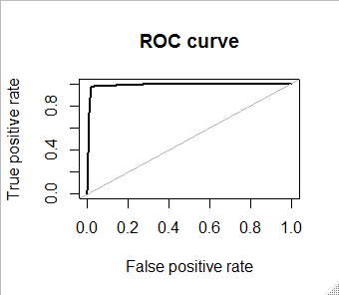
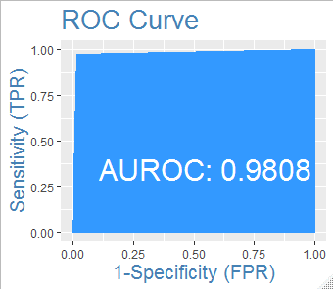
 | Area under ROC curve
> roc.curve(train_evaluation$Disbursed, train_evaluation$Prob, plotit = T) | > AUROC(train_evaluation$Disbursed, train_evaluation$Prob)

Area under the curve (AUC): 0.989 | [1] 0.9807559

